Cal
산림병해충별 사업비 및 사업면적
 | 솔잎혹파리 | 솔껍질깍지벌레 | 참나무시들음병 | 기타병해충
사업비 | 4761 | 505 | 5451 | 13642 | 1,000,000 | won
사업면적 | 5333 | 64.1 | 4672 | 52260 | ha

 | 사업비/사업면적 가중평균치 |  |  | 12254.6415 | 1,000,000 | won
 |  |  |  | 196,611.88 | won/ha

ha당 비료비용
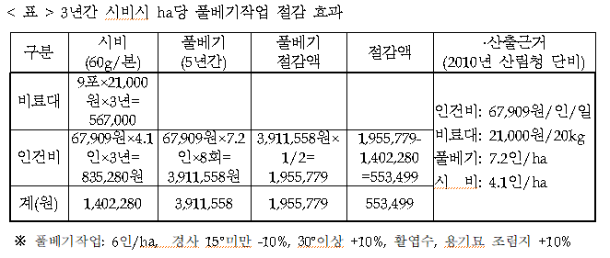

3 | years | 567,000 | won/ha
1 | years | 189,000 | won/ha

시비란, 수목이 잘 성장할 수 있도록 천연 또는 인공의 양분을 공급하는 수목관리의 한 방법

 | total | 385,611.88 | won/ha
 |  | 156,051.58 | won/acre
 |  | 132.26 | $/acre

